Offer w pic
12181 |  |  |  |  |  |  |  |  |  |  |  |  |  |  |  |  |  |  |  |  |  |  | OS | OS
Offer # 8923.04 |  |  |  |  |  |  |  |  |  |  |  |  |  |  |  |  |  |  |  |  |  |  | STD | 3XS | XXS | XS | S | M | L | XL | XXL | 3XL | 4XL
PO Number: |  |  |  |  |  |  |  |  |  |  |  |  |  |  |  |  |  |  |  |  |  |  | W RTW | 34 | 36 | 38 | 40 | 42 | 44 | 46 | 48 | 50 | 52 | 54
 |  |  |  |  |  |  |  |  |  |  |  |  |  |  |  |  |  |  |  |  |  |  | M RTW | 42 | 44 | 46 | 48 | 50 | 52 | 54 | 56 | 58 | 60 | 62 | 64
 |  |  |  |  |  |  |  |  |  |  |  |  |  |  |  |  |  |  |  |  |  |  | W SHOES | 34 | 34,5 | 35 | 35,5 | 36 | 36,5 | 37 | 37,5 | 38 | 38,5 | 39 | 39,5 | 40 | 40,5 | 41 | 41,5 | 42 | 42,5 | 43
 |  |  |  |  |  |  |  |  |  |  |  |  |  |  |  |  |  |  |  |  |  |  | M SHOES | 38 | 38,5 | 39 | 39,5 | 40 | 40,5 | 41 | 41,5 | 42 | 42,5 | 43 | 43,5 | 44 | 44,5 | 45 | 45,5 | 46 | 46,5 | 47
 |  |  |  |  |  |  |  |  |  |  |  |  |  |  |  |  |  |  |  |  |  |  | M DRESS SHIRT | 37 | 38 | 39 | 40 | 41 | 42 | 43 | 44 | 45
 |  |  |  |  |  |  |  |  |  |  |  |  |  |  |  |  |  |  |  |  |  |  | MID STD | XS/S | S/M | M/L | L/XL | XL/XXL
 |  |  |  |  |  |  |  |  |  |  |  |  |  |  |  |  |  |  |  |  |  |  | K SHOES | 21 | 22 | 23 | 24 | 25 | 25,5 | 26 | 26,5 | 27 | 27,5 | 28 | 28,5 | 29 | 29,5 | 30 | 31 | 31,5 | 32 | 33
OFFERTA IN STERLINE |  |  |  |  |  |  |  |  |  |  |  |  |  |  |  |  |  |  |  |  |  |  | BELT | 65 | 70 | 75 | 80 | 85 | 90 | 95 | 100 | 105 | 110 | 115 | 120
 |  |  |  |  |  |  |  |  |  |  |  |  |  |  |  |  |  |  |  |  |  |  | BABY (MONTHS) | 1 | 3 | 6 | 9 | 12 | 18 | 24 | 36
 |  |  |  |  |  |  |  |  |  |  |  |  |  |  |  |  |  |  |  |  |  |  | KID/JR (YEARS) | 2A | 3A | 4A | 5A | 6A | 7A | 8A | 9A | 10A | 11A | 12A | 13A | 14A | 15A | 16A | 17A | 18A
 |  |  |  |  |  |  |  |  |  |  |  |  |  |  |  |  |  |  |  |  |  |  | BABY/KID | 0-3M | 3-6M | 6-12M | 12-18M | 18-24M | 2-3A | 4-5A | 6-7A
 |  |  |  |  |  |  |  |  |  |  |  |  |  |  |  |  |  |  |  |  |  |  | U RTW | 34 | 36 | 38 | 40 | 42 | 44 | 46 | 48 | 50 | 52 | 54 | 56 | 58 | 60
 |  |  |  |  |  |  |  |  |  |  |  |  |  |  |  |  |  |  |  |  |  |  | RTW | 4 | 5 | 5M | 6 | 6M | 7 | 7M | 8 | 8M | 9 | 9M | 10 | 10M | 11 | 11M | 12 | 12M | 13 | 13M
 |  |  |  |  |  |  |  |  |  |  |  |  |  |  |  |  |  |  |  |  |  |  | SHOES | 1 | 2 | 3 | 3M | 4 | 4M | 5 | 5M | 6 | 6M | 7 | 7M | 8 | 8M | 9 | 9M | 10 | 10M | 11
 |  |  |  |  |  |  |  |  |  |  |  |  |  |  |  |  |  |  |  |  |  |  | GLOVES | 6 | 6,5 | 7 | 7,5 | 8 | 8,5 | 9 | 9,5 | 10
 |  |  |  |  |  |  |  |  |  |  |  |  |  |  |  |  |  |  |  |  |  |  | JEANS | 23 | 24 | 25 | 26 | 27 | 28 | 29 | 30 | 31 | 32 | 33 | 34 | 35 | 36 | 37 | 38 | 39 | 40
 |  |  |  |  |  |  |  |  |  |  |  |  |  |  |  |  |  |  |  |  |  |  | HATS | 54 | 55 | 56 | 57 | 58 | 59 | 60 | 61 | 62
 |  |  |  |  |  |  |  |  |  |  |  |  |  |  |  |  |  |  |  |  |  |  | W N SHOES | 35 N | 36 N | 37 N | 38 N | 39 N | 40 N | 41 N |  |  |  |  |  |  |  |  |  |  |  |  | TOT OFFER |  | TOT OFFER |  | TOT OFFER
 |  |  |  |  |  |  |  |  |  |  |  |  |  |  |  |  |  |  |  |  |  |  | COST. JEWEL | 51 | 52 | 53 | 54 | 55 | 56 | 57 |  |  |  |  |  |  |  |  |  |  |  |  | 1754 |  | £ 322,892.00 |  | £ 850,954.00
 |  |  |  |  |  |  |  |  |  |  |  |  |  |  |  |  |  |  |  |  |  |  | KIDS C | C4 | C5 | C6 | C6/7 | C7 | C8 | C8/9 | C9 | C10 | C10/11 | C11 | C12 | C12/13 | C13 | J1 | J2 | J2/J3 | J3 | J4 | TOT ORDER |  | TOT ORDER |  | TOT ORDER
 |  |  |  |  |  |  |  |  |  |  |  |  |  |  |  |  |  |  |  |  |  |  | Z-CH | 2XB | 3XB | 4XB | 2XT | 3XT | LT | XLT |  |  |  |  |  |  |  |  |  |  |  |  | 0 |  | 0 |  | 0
PIC1 | PIC2 | PIC3 | BRAND | LINE | SKU | FULLSTYLE | GENDER | MACRO_CATEGORY | SUB_CATEGORY | MICRO_CATEGORY | PRODUCT CODE | PRODUCT NAME | MATERIAL CODE | MATERIAL DESC | COLOR CODE | COLOR CODE 2 | COLOR DESC | YEAR | SEASON | COLLECTION | PACKING | BOX | SCALATG | TG1 | TG2 | TG3 | TG4 | TG5 | TG6 | TG7 | TG8 | TG9 | TG10 | TG11 | TG12 | TG13 | TG14 | TG15 | TG16 | TG17 | TG18 | TG19 | QTY | WHLS PRICE | WHLS VALUE | RTL PRICE | RTL VALUE | MADE IN | COMPOSITION | HS CODE | TYPE | NOTE 1 | NOTE 2 | NOTE 3 | NOTE 4 | NOTE 5
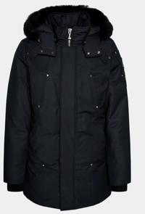 Not For Color |  |  | Moose Knuckles | Moose Knuckles |  | M32MP261SS-0000-547 | Men | RTW | OUTERWEAR | PARKA | M32MP261SS | ORIGINAL SSTIRLING PARKA NEO SSHEAR | 0000 |  | 547 |  | GRANITE W/BLKSSH | 2023 | Fall/Winter |  |  |  | STD |  |  |  | 4 |  |  |  |  |  |  |  |  |  |  |  |  |  |  |  | 4 | £ 382.00 | £ 1,528.00 | £ 975.00 | £ 3,900.00 |  | SSHELL:74% COTTON, 26 % NYLON, LINING:100% NYLON, FWILL:80% DUCK DOWN / 20% WATERFWOWL FWEATHERSS, FWUR/TRIM:SSHEARLING | 6201.30.1200 | Available
 |  |  | Moose Knuckles | Moose Knuckles |  | M32MP261SS-0000-547 | Men | RTW | OUTERWEAR | PARKA | M32MP261SS | ORIGINAL SSTIRLING PARKA NEO SSHEAR | 0000 |  | 547 |  | GRANITE W/BLKSSH | 2023 | Fall/Winter |  |  |  | STD |  |  |  | 0 |  |  |  |  |  |  |  |  |  |  |  |  |  |  |  | 0 | £ 382.00 | £ 0.00 | £ 975.00 | £ 0.00 |  | SSHELL:74% COTTON, 26 % NYLON, LINING:100% NYLON, FWILL:80% DUCK DOWN / 20% WATERFWOWL FWEATHERSS, FWUR/TRIM:SSHEARLING | 6201.30.1200 | Order
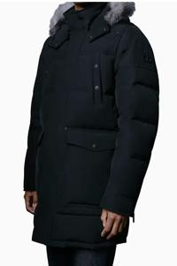 |  |  | Moose Knuckles | Moose Knuckles |  | M39MP210-0000-472 | Men | RTW | OUTERWEAR | PARKA | M39MP210 | BIG RIDGE PARKA | 0000 |  | 472 |  | TRUE NAVY W/BLK | 2024 | Fall/Winter |  |  |  | STD |  |  |  | 1 | 2 |  |  |  |  |  |  |  |  |  |  |  |  |  |  | 3 | £ 462.00 | £ 1,386.00 | £ 1,225.00 | £ 3,675.00 |  | SSHELL: 100% POLYESSTER, LINING: 100% NYLON, FWILLING: 90% GOOSSE DOWN, 10% FWEATHERSS, FWUR/TRIM: BLUE FWROSST FWOX | 6210.20.3000 | Available
 |  |  | Moose Knuckles | Moose Knuckles |  | M39MP210-0000-472 | Men | RTW | OUTERWEAR | PARKA | M39MP210 | BIG RIDGE PARKA | 0000 |  | 472 |  | TRUE NAVY W/BLK | 2024 | Fall/Winter |  |  |  | STD |  |  |  | 0 | 0 |  |  |  |  |  |  |  |  |  |  |  |  |  |  | 0 | £ 462.00 | £ 0.00 | £ 1,225.00 | £ 0.00 |  | SSHELL: 100% POLYESSTER, LINING: 100% NYLON, FWILLING: 90% GOOSSE DOWN, 10% FWEATHERSS, FWUR/TRIM: BLUE FWROSST FWOX | 6210.20.3000 | Order
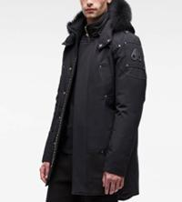 Only For Style | 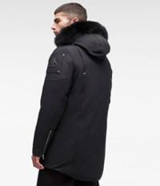 | 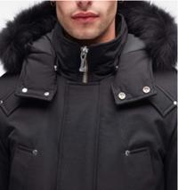 | Moose Knuckles | Moose Knuckles |  | MK4661MP-0000-856 | Men | RTW | OUTERWEAR | PARKA | MK4661MP | SSTIRLING PARKA MENSS | 0000 |  | 856 |  | SSTORM GREY W/NAT | 2023 | Fall/Winter |  |  |  | STD |  |  | 6 | 12 |  |  |  |  |  |  |  |  |  |  |  |  |  |  |  | 18 | £ 400.00 | £ 7,200.00 | £ 1,060.00 | £ 19,080.00 |  | 74% COTTON, 26% NYLON - OUTER SSHELL, 100% NYLON - LINING, 80% DUCK DOWN, 20% DUCK FWEATHERSS- FWILL, 100% BLUE FWOX FWUR |  | Available
 |  |  | Moose Knuckles | Moose Knuckles |  | MK4661MP-0000-856 | Men | RTW | OUTERWEAR | PARKA | MK4661MP | SSTIRLING PARKA MENSS | 0000 |  | 856 |  | SSTORM GREY W/NAT | 2023 | Fall/Winter |  |  |  | STD |  |  | 0 | 0 |  |  |  |  |  |  |  |  |  |  |  |  |  |  |  | 0 | £ 400.00 | £ 0.00 | £ 1,060.00 | £ 0.00 |  | 74% COTTON, 26% NYLON - OUTER SSHELL, 100% NYLON - LINING, 80% DUCK DOWN, 20% DUCK FWEATHERSS- FWILL, 100% BLUE FWOX FWUR |  | Order
Only For Style |  |  | Moose Knuckles | Moose Knuckles |  | MK4661MP-0000-864 | Men | RTW | OUTERWEAR | PARKA | MK4661MP | SSTIRLING PARKA MENSS | 0000 |  | 864 |  | MLKYWY W/SSTND | 2023 | Fall/Winter |  |  |  | STD |  |  |  | 3 | 1 | 2 |  | 2 |  |  |  |  |  |  |  |  |  |  |  | 8 | £ 400.00 | £ 3,200.00 | £ 1,060.00 | £ 8,480.00 |  | 74% COTTON, 26% NYLON - OUTER SSHELL, 100% NYLON - LINING, 80% DUCK DOWN, 20% DUCK FWEATHERSS- FWILL, 100% BLUE FWOX FWUR |  | Available
 |  |  | Moose Knuckles | Moose Knuckles |  | MK4661MP-0000-864 | Men | RTW | OUTERWEAR | PARKA | MK4661MP | SSTIRLING PARKA MENSS | 0000 |  | 864 |  | MLKYWY W/SSTND | 2023 | Fall/Winter |  |  |  | STD |  |  |  | 0 | 0 | 0 |  | 0 |  |  |  |  |  |  |  |  |  |  |  | 0 | £ 400.00 | £ 0.00 | £ 1,060.00 | £ 0.00 |  | 74% COTTON, 26% NYLON - OUTER SSHELL, 100% NYLON - LINING, 80% DUCK DOWN, 20% DUCK FWEATHERSS- FWILL, 100% BLUE FWOX FWUR |  | Order
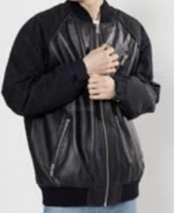 | 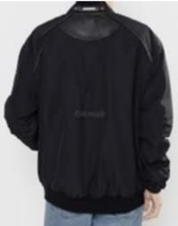 | 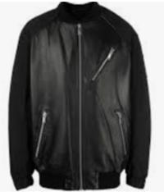 | Moose Knuckles | Moose Knuckles |  | M32ML310-0000-292 | Men | RTW | OUTERWEAR | LEATHER JACKET | M32ML310 | ANICA BOMBER | 0000 |  | 292 |  | BLACK | 2022 | Fall/Winter |  |  |  | STD |  |  |  | 6 | 18 | 2 | 5 |  |  |  |  |  |  |  |  |  |  |  |  | 31 | £ 311.00 | £ 9,641.00 | £ 825.00 | £ 25,575.00 | China | SSHELL-LAMB LEATHER, COMBO-100% POLYESSTER, LINING 1-100% POLYESSTER, LINING 2-55% POLYESSTER 45% NYLON, FWILL-POLYFWILL | 4203.10.4030 | Available
 |  |  | Moose Knuckles | Moose Knuckles |  | M32ML310-0000-292 | Men | RTW | OUTERWEAR | LEATHER JACKET | M32ML310 | ANICA BOMBER | 0000 |  | 292 |  | BLACK | 2022 | Fall/Winter |  |  |  | STD |  |  |  | 0 | 0 | 0 | 0 |  |  |  |  |  |  |  |  |  |  |  |  | 0 | £ 311.00 | £ 0.00 | £ 825.00 | £ 0.00 | China | SSHELL-LAMB LEATHER, COMBO-100% POLYESSTER, LINING 1-100% POLYESSTER, LINING 2-55% POLYESSTER 45% NYLON, FWILL-POLYFWILL | 4203.10.4030 | Order
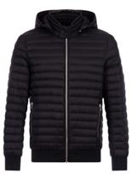 | 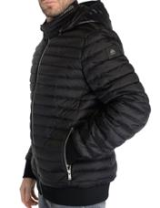 |  | Moose Knuckles | Moose Knuckles |  | M13MB001-0000-292 | Men | RTW | OUTERWEAR | JACKET | M13MB001 | AIR DOWN BOMBER | 0000 |  | 292 |  | BLACK | 2023 | Spring/Summer |  |  |  | STD |  |  |  | 6 |  |  | 2 |  |  |  |  |  |  |  |  |  |  |  |  | 8 | £ 200.00 | £ 1,600.00 | £ 530.00 | £ 4,240.00 |  | SSHELL:100% RECYCLED NYLON, LINING:100% RECYCLED NYLON, DOWN: 90% DUCK DOWN 10% WATERFWOWL FWEATHERSS | 6201.40.5500 | Available
 |  |  | Moose Knuckles | Moose Knuckles |  | M13MB001-0000-292 | Men | RTW | OUTERWEAR | JACKET | M13MB001 | AIR DOWN BOMBER | 0000 |  | 292 |  | BLACK | 2023 | Spring/Summer |  |  |  | STD |  |  |  | 0 |  |  | 0 |  |  |  |  |  |  |  |  |  |  |  |  | 0 | £ 200.00 | £ 0.00 | £ 530.00 | £ 0.00 |  | SSHELL:100% RECYCLED NYLON, LINING:100% RECYCLED NYLON, DOWN: 90% DUCK DOWN 10% WATERFWOWL FWEATHERSS | 6201.40.5500 | Order
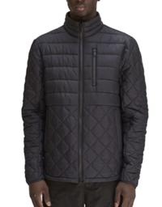 |  |  | Moose Knuckles | Moose Knuckles |  | M13MJ108-0000-833 | Men | RTW | OUTERWEAR | JACKET | M13MJ108 | BOYNTON JACKET | 0000 |  | 833 |  | NAVY | 2023 | Spring/Summer |  |  |  | STD |  |  |  |  |  |  |  | 1 |  |  |  |  |  |  |  |  |  |  |  | 1 | £ 166.00 | £ 166.00 | £ 440.00 | £ 440.00 |  | SSHELL:100% NYLON, LINING:100% RECYCLED NYLON, DOWN: 80% DUCK DOWN 20% WATERFWOWL FWEATHERSS, FWILL:100% POLYESSTER | 6201.40.7000 | Available
 |  |  | Moose Knuckles | Moose Knuckles |  | M13MJ108-0000-833 | Men | RTW | OUTERWEAR | JACKET | M13MJ108 | BOYNTON JACKET | 0000 |  | 833 |  | NAVY | 2023 | Spring/Summer |  |  |  | STD |  |  |  |  |  |  |  | 0 |  |  |  |  |  |  |  |  |  |  |  | 0 | £ 166.00 | £ 0.00 | £ 440.00 | £ 0.00 |  | SSHELL:100% NYLON, LINING:100% RECYCLED NYLON, DOWN: 80% DUCK DOWN 20% WATERFWOWL FWEATHERSS, FWILL:100% POLYESSTER | 6201.40.7000 | Order
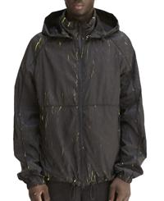 | 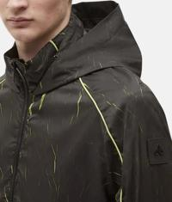 |  | Moose Knuckles | Moose Knuckles |  | M13MJ112H3-0000-1166 | Men | RTW | OUTERWEAR | JACKET | M13MJ112H3 | DAVENPORT JACKET CRINKLE | 0000 |  | 1166 |  | BLACK/LIME | 2023 | Spring/Summer |  |  |  | STD |  |  |  |  | 3 | 2 |  |  |  |  |  |  |  |  |  |  |  |  |  | 5 | £ 143.00 | £ 715.00 | £ 380.00 | £ 1,900.00 |  | SSHELL:100% POLYESSTER, LINING:100% POLYESSTER | 6201.40.7000 | Available
 |  |  | Moose Knuckles | Moose Knuckles |  | M13MJ112H3-0000-1166 | Men | RTW | OUTERWEAR | JACKET | M13MJ112H3 | DAVENPORT JACKET CRINKLE | 0000 |  | 1166 |  | BLACK/LIME | 2023 | Spring/Summer |  |  |  | STD |  |  |  |  | 0 | 0 |  |  |  |  |  |  |  |  |  |  |  |  |  | 0 | £ 143.00 | £ 0.00 | £ 380.00 | £ 0.00 |  | SSHELL:100% POLYESSTER, LINING:100% POLYESSTER | 6201.40.7000 | Order
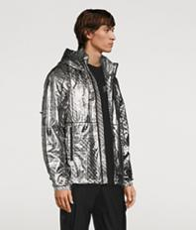 | 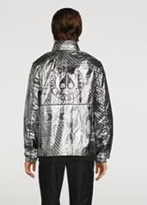 |  | Moose Knuckles | Moose Knuckles |  | M13MJ112HM-0000-1124 | Men | RTW | OUTERWEAR | JACKET | M13MJ112HM | DAVENPORT JACKET METALLIC | 0000 |  | 1124 |  | WILLOW GREY BANDANA PRINT | 2023 | Spring/Summer |  |  |  | STD |  |  |  | 1 | 1 | 4 |  |  |  |  |  |  |  |  |  |  |  |  |  | 6 | £ 166.00 | £ 996.00 | £ 440.00 | £ 2,640.00 |  | SSHELL:100% NYLON, LINING:100% POLYESSTER |  | Available
 |  |  | Moose Knuckles | Moose Knuckles |  | M13MJ112HM-0000-1124 | Men | RTW | OUTERWEAR | JACKET | M13MJ112HM | DAVENPORT JACKET METALLIC | 0000 |  | 1124 |  | WILLOW GREY BANDANA PRINT | 2023 | Spring/Summer |  |  |  | STD |  |  |  | 0 | 0 | 0 |  |  |  |  |  |  |  |  |  |  |  |  |  | 0 | £ 166.00 | £ 0.00 | £ 440.00 | £ 0.00 |  | SSHELL:100% NYLON, LINING:100% POLYESSTER |  | Order
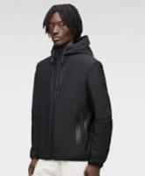 Not For Color |  |  | Moose Knuckles | Moose Knuckles |  | M13MJ121-0000-1112 | Men | RTW | OUTERWEAR | JACKET | M13MJ121 | GRAYTON JACKET 2 | 0000 |  | 1112 |  | LIME GREEN | 2023 | Spring/Summer |  |  |  | STD |  |  |  | 2 |  |  |  |  |  |  |  |  |  |  |  |  |  |  |  | 2 | £ 168.00 | £ 336.00 | £ 440.00 | £ 880.00 |  | SSHELL:56% NYLON, 24% POLYESSTER, 18% SSPANDEX, LINING:100% RECYCLED POLYESSTER, FWILL: 100% POLYESSTER | 6201.40.7511 | Available
 |  |  | Moose Knuckles | Moose Knuckles |  | M13MJ121-0000-1112 | Men | RTW | OUTERWEAR | JACKET | M13MJ121 | GRAYTON JACKET 2 | 0000 |  | 1112 |  | LIME GREEN | 2023 | Spring/Summer |  |  |  | STD |  |  |  | 0 |  |  |  |  |  |  |  |  |  |  |  |  |  |  |  | 0 | £ 168.00 | £ 0.00 | £ 440.00 | £ 0.00 |  | SSHELL:56% NYLON, 24% POLYESSTER, 18% SSPANDEX, LINING:100% RECYCLED POLYESSTER, FWILL: 100% POLYESSTER | 6201.40.7511 | Order
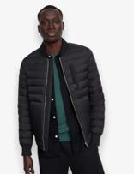 | 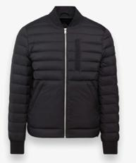 |  | Moose Knuckles | Moose Knuckles |  | M14MB001-0000-292 | Men | RTW | OUTERWEAR | JACKET | M14MB001 | AIR DOWN BOMBER 2 | 0000 |  | 292 |  | BLACK | 2024 | Spring/Summer |  |  |  | STD |  |  |  |  | 4 |  |  |  |  |  |  |  |  |  |  |  |  |  |  | 4 | £ 185.00 | £ 740.00 | £ 490.00 | £ 1,960.00 |  | SSHELL: 100% NYLON, LINING: 100% NYLON, DOWN: 90% DUCK DOWN 10% WATERFWOWL FWEATHERSS | 6210.20.5029 | Available
 |  |  | Moose Knuckles | Moose Knuckles |  | M14MB001-0000-292 | Men | RTW | OUTERWEAR | JACKET | M14MB001 | AIR DOWN BOMBER 2 | 0000 |  | 292 |  | BLACK | 2024 | Spring/Summer |  |  |  | STD |  |  |  |  | 0 |  |  |  |  |  |  |  |  |  |  |  |  |  |  | 0 | £ 185.00 | £ 0.00 | £ 490.00 | £ 0.00 |  | SSHELL: 100% NYLON, LINING: 100% NYLON, DOWN: 90% DUCK DOWN 10% WATERFWOWL FWEATHERSS | 6210.20.5029 | Order
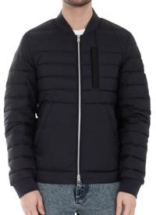 | 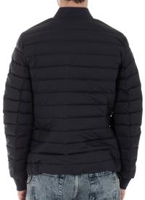 |  | Moose Knuckles | Moose Knuckles |  | M14MB001-0000-833 | Men | RTW | OUTERWEAR | JACKET | M14MB001 | AIR DOWN BOMBER 2 | 0000 |  | 833 |  | NAVY | 2024 | Spring/Summer |  |  |  | STD |  |  |  |  |  | 1 |  |  |  |  |  |  |  |  |  |  |  |  |  | 1 | £ 185.00 | £ 185.00 | £ 490.00 | £ 490.00 |  | SSHELL: 100% NYLON, LINING: 100% NYLON, DOWN: 90% DUCK DOWN 10% WATERFWOWL FWEATHERSS | 6210.20.5029 | Available
 |  |  | Moose Knuckles | Moose Knuckles |  | M14MB001-0000-833 | Men | RTW | OUTERWEAR | JACKET | M14MB001 | AIR DOWN BOMBER 2 | 0000 |  | 833 |  | NAVY | 2024 | Spring/Summer |  |  |  | STD |  |  |  |  |  | 0 |  |  |  |  |  |  |  |  |  |  |  |  |  | 0 | £ 185.00 | £ 0.00 | £ 490.00 | £ 0.00 |  | SSHELL: 100% NYLON, LINING: 100% NYLON, DOWN: 90% DUCK DOWN 10% WATERFWOWL FWEATHERSS | 6210.20.5029 | Order
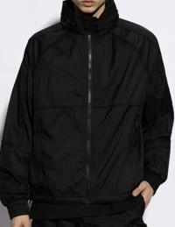 | 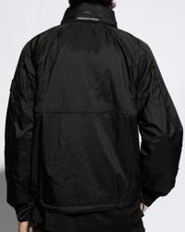 |  | Moose Knuckles | Moose Knuckles |  | M14MJ009-0000-292 | Men | RTW | OUTERWEAR | JACKET | M14MJ009 | HONORE JACKET | 0000 |  | 292 |  | BLACK | 2024 | Spring/Summer |  |  |  | STD |  |  |  |  | 1 |  |  |  |  |  |  |  |  |  |  |  |  |  |  | 1 | £ 142.00 | £ 142.00 | £ 375.00 | £ 375.00 |  | SSHELL: 100% POLYESSTER, LINING: 100% POLYESSTER | 6201.40.7511 | Available
 |  |  | Moose Knuckles | Moose Knuckles |  | M14MJ009-0000-292 | Men | RTW | OUTERWEAR | JACKET | M14MJ009 | HONORE JACKET | 0000 |  | 292 |  | BLACK | 2024 | Spring/Summer |  |  |  | STD |  |  |  |  | 0 |  |  |  |  |  |  |  |  |  |  |  |  |  |  | 0 | £ 142.00 | £ 0.00 | £ 375.00 | £ 0.00 |  | SSHELL: 100% POLYESSTER, LINING: 100% POLYESSTER | 6201.40.7511 | Order
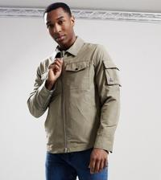 | 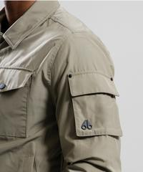 |  | Moose Knuckles | Moose Knuckles |  | M14MJ105-0000-1376 | Men | RTW | OUTERWEAR | JACKET | M14MJ105 | CHARLESSBOURG JACKET | 0000 |  | 1376 |  | SSAGE | 2024 | Spring/Summer |  |  |  | STD |  |  |  | 1 |  |  |  |  |  |  |  |  |  |  |  |  |  |  |  | 1 | £ 111.00 | £ 111.00 | £ 295.00 | £ 295.00 |  | SSHELL: 100% POLYESSTER, LINING: 100% POLYESSTER | 6201.40.7511 | Available
 |  |  | Moose Knuckles | Moose Knuckles |  | M14MJ105-0000-1376 | Men | RTW | OUTERWEAR | JACKET | M14MJ105 | CHARLESSBOURG JACKET | 0000 |  | 1376 |  | SSAGE | 2024 | Spring/Summer |  |  |  | STD |  |  |  | 0 |  |  |  |  |  |  |  |  |  |  |  |  |  |  |  | 0 | £ 111.00 | £ 0.00 | £ 295.00 | £ 0.00 |  | SSHELL: 100% POLYESSTER, LINING: 100% POLYESSTER | 6201.40.7511 | Order
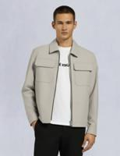 Not For Color | 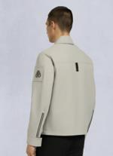 |  | Moose Knuckles | Moose Knuckles |  | M14MJ115-0000-1103 | Men | RTW | OUTERWEAR | JACKET | M14MJ115 | JACQUESS JACKET | 0000 |  | 1103 |  | PLASSTER | 2024 | Spring/Summer |  |  |  | STD |  |  |  |  |  |  | 1 |  |  |  |  |  |  |  |  |  |  |  |  | 1 | £ 132.00 | £ 132.00 | £ 350.00 | £ 350.00 |  | SSHELL: 100% POLYESSTER, LINING: 100% POLYESSTER | 6201.40.7000 | Available
 |  |  | Moose Knuckles | Moose Knuckles |  | M14MJ115-0000-1103 | Men | RTW | OUTERWEAR | JACKET | M14MJ115 | JACQUESS JACKET | 0000 |  | 1103 |  | PLASSTER | 2024 | Spring/Summer |  |  |  | STD |  |  |  |  |  |  | 0 |  |  |  |  |  |  |  |  |  |  |  |  | 0 | £ 132.00 | £ 0.00 | £ 350.00 | £ 0.00 |  | SSHELL: 100% POLYESSTER, LINING: 100% POLYESSTER | 6201.40.7000 | Order
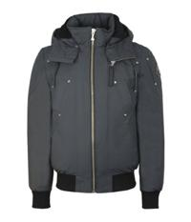 Not For Color | 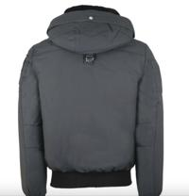 |  | Moose Knuckles | Moose Knuckles |  | M31MB000N-0000-545 | Men | RTW | OUTERWEAR | JACKET | M31MB000N | BIENCOURT BOMBER 2 | 0000 |  | 545 |  | BLK W/BLK SSH | 2023 | Fall/Winter |  |  |  | STD |  |  |  | 11 | 4 | 3 |  |  |  |  |  |  |  |  |  |  |  |  |  | 18 | £ 311.00 | £ 5,598.00 | £ 825.00 | £ 14,850.00 |  | SSHELL:74% COTTON, 26 % NYLON, LINING:100% NYLON, FWILL:80% DUCK DOWN / 20% DUCK FWEATHERSS, 100 % LAMB SSHEARLING | 6201.30.6000 | Available
 |  |  | Moose Knuckles | Moose Knuckles |  | M31MB000N-0000-545 | Men | RTW | OUTERWEAR | JACKET | M31MB000N | BIENCOURT BOMBER 2 | 0000 |  | 545 |  | BLK W/BLK SSH | 2023 | Fall/Winter |  |  |  | STD |  |  |  | 0 | 0 | 0 |  |  |  |  |  |  |  |  |  |  |  |  |  | 0 | £ 311.00 | £ 0.00 | £ 825.00 | £ 0.00 |  | SSHELL:74% COTTON, 26 % NYLON, LINING:100% NYLON, FWILL:80% DUCK DOWN / 20% DUCK FWEATHERSS, 100 % LAMB SSHEARLING | 6201.30.6000 | Order
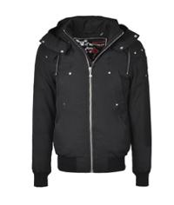 Not For Color |  |  | Moose Knuckles | Moose Knuckles |  | M31MB000N-0000-546 | Men | RTW | OUTERWEAR | JACKET | M31MB000N | BIENCOURT BOMBER 2 | 0000 |  | 546 |  | NAVY W/BLK SSH | 2023 | Fall/Winter |  |  |  | STD |  |  |  | 1 | 6 | 4 | 3 | 1 |  |  |  |  |  |  |  |  |  |  |  | 15 | £ 311.00 | £ 4,665.00 | £ 825.00 | £ 12,375.00 |  | SSHELL:74% COTTON, 26 % NYLON, LINING:100% NYLON, FWILL:80% DUCK DOWN / 20% DUCK FWEATHERSS, 100 % LAMB SSHEARLING | 6201.30.6000 | Available
 |  |  | Moose Knuckles | Moose Knuckles |  | M31MB000N-0000-546 | Men | RTW | OUTERWEAR | JACKET | M31MB000N | BIENCOURT BOMBER 2 | 0000 |  | 546 |  | NAVY W/BLK SSH | 2023 | Fall/Winter |  |  |  | STD |  |  |  | 0 | 0 | 0 | 0 | 0 |  |  |  |  |  |  |  |  |  |  |  | 0 | £ 311.00 | £ 0.00 | £ 825.00 | £ 0.00 |  | SSHELL:74% COTTON, 26 % NYLON, LINING:100% NYLON, FWILL:80% DUCK DOWN / 20% DUCK FWEATHERSS, 100 % LAMB SSHEARLING | 6201.30.6000 | Order
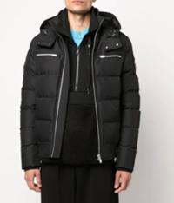 Not For Color | 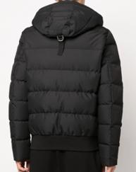 | 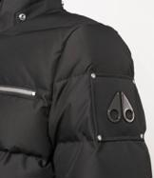 | Moose Knuckles | Moose Knuckles |  | M32MB005-0000-981 | Men | RTW | OUTERWEAR | JACKET | M32MB005 | M CLOUD BOMBER | 0000 |  | 981 |  | NIMBUSS CLOUD | 2023 | Fall/Winter |  |  |  | STD |  |  |  |  |  |  |  | 3 |  |  |  |  |  |  |  |  |  |  |  | 3 | £ 355.00 | £ 1,065.00 | £ 935.00 | £ 2,805.00 |  | SSHELL-100% POLYESSTER, LINING-100% POLYESSTER, FWILL-90% DUCK DOWN 10% WATERFWOWL FWEATHERSS | 6201.40.7511 | Available
 |  |  | Moose Knuckles | Moose Knuckles |  | M32MB005-0000-981 | Men | RTW | OUTERWEAR | JACKET | M32MB005 | M CLOUD BOMBER | 0000 |  | 981 |  | NIMBUSS CLOUD | 2023 | Fall/Winter |  |  |  | STD |  |  |  |  |  |  |  | 0 |  |  |  |  |  |  |  |  |  |  |  | 0 | £ 355.00 | £ 0.00 | £ 935.00 | £ 0.00 |  | SSHELL-100% POLYESSTER, LINING-100% POLYESSTER, FWILL-90% DUCK DOWN 10% WATERFWOWL FWEATHERSS | 6201.40.7511 | Order
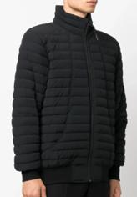 | 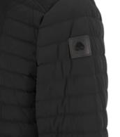 | 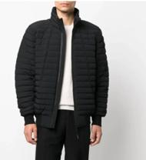 | Moose Knuckles | Moose Knuckles |  | M32MB009-0000-292 | Men | RTW | OUTERWEAR | JACKET | M32MB009 | KEAP BOMBER | 0000 |  | 292 |  | BLACK | 2023 | Fall/Winter |  |  |  | STD |  |  | 4 |  |  |  |  |  |  |  |  |  |  |  |  |  |  |  |  | 4 | £ 185.00 | £ 740.00 | £ 490.00 | £ 1,960.00 |  | SSHELL-82% NYLON 18% SSPANDEX, LINING-82% NYLON 18% SSPANDEX, DOWN-90% DUCK DOWN 10% WATERFWOWL FWEATHERSS | 6201.40.5500 | Available
 |  |  | Moose Knuckles | Moose Knuckles |  | M32MB009-0000-292 | Men | RTW | OUTERWEAR | JACKET | M32MB009 | KEAP BOMBER | 0000 |  | 292 |  | BLACK | 2023 | Fall/Winter |  |  |  | STD |  |  | 0 |  |  |  |  |  |  |  |  |  |  |  |  |  |  |  |  | 0 | £ 185.00 | £ 0.00 | £ 490.00 | £ 0.00 |  | SSHELL-82% NYLON 18% SSPANDEX, LINING-82% NYLON 18% SSPANDEX, DOWN-90% DUCK DOWN 10% WATERFWOWL FWEATHERSS | 6201.40.5500 | Order
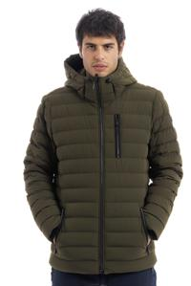 | 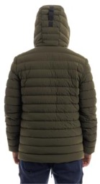 |  | Moose Knuckles | Moose Knuckles |  | M32MJ104-0000-963 | Men | RTW | OUTERWEAR | JACKET | M32MJ104 | HOOPER JACKET | 0000 |  | 963 |  | PARK GREEN | 2022 | Fall/Winter |  |  |  | STD |  |  |  |  |  |  |  | 2 |  |  |  |  |  |  |  |  |  |  |  | 2 | £ 245.00 | £ 490.00 | £ 650.00 | £ 1,300.00 | Viet Nam | SSHELL-82% NYLON 18% SSPANDEX, LINING-82% NYLON 18% SSPANDEX, FWILL-90% DUCK DOWN 10% WATERFWOWL FWEATHERSS | 6201.40.5500 | Available
 |  |  | Moose Knuckles | Moose Knuckles |  | M32MJ104-0000-963 | Men | RTW | OUTERWEAR | JACKET | M32MJ104 | HOOPER JACKET | 0000 |  | 963 |  | PARK GREEN | 2022 | Fall/Winter |  |  |  | STD |  |  |  |  |  |  |  | 0 |  |  |  |  |  |  |  |  |  |  |  | 0 | £ 245.00 | £ 0.00 | £ 650.00 | £ 0.00 | Viet Nam | SSHELL-82% NYLON 18% SSPANDEX, LINING-82% NYLON 18% SSPANDEX, FWILL-90% DUCK DOWN 10% WATERFWOWL FWEATHERSS | 6201.40.5500 | Order
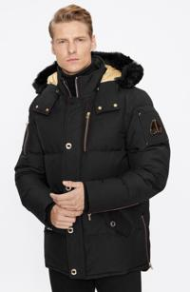 Not For Color |  |  | Moose Knuckles | Moose Knuckles |  | M32MJ128GSS-0000-1223 | Men | RTW | OUTERWEAR | JACKET | M32MJ128GSS | GOLD 3Q JACKET NEOSSHEAR | 0000 |  | 1223 |  | FWIRE RED W/BLK SSH | 2023 | Fall/Winter |  |  |  | STD |  |  |  |  | 5 | 7 | 4 |  |  |  |  |  |  |  |  |  |  |  |  | 16 | £ 442.00 | £ 7,072.00 | £ 1,155.00 | £ 18,480.00 |  | SSHELL: 74% COTTON, 26% NYLON, LININNG: 100% POLYESSTER, FWILLING: 80% DUCK DOWN 20% FWEATHERSS, FWUR: SSHEARLING | 6202.30.1200 | Available
 |  |  | Moose Knuckles | Moose Knuckles |  | M32MJ128GSS-0000-1223 | Men | RTW | OUTERWEAR | JACKET | M32MJ128GSS | GOLD 3Q JACKET NEOSSHEAR | 0000 |  | 1223 |  | FWIRE RED W/BLK SSH | 2023 | Fall/Winter |  |  |  | STD |  |  |  |  | 0 | 0 | 0 |  |  |  |  |  |  |  |  |  |  |  |  | 0 | £ 442.00 | £ 0.00 | £ 1,155.00 | £ 0.00 |  | SSHELL: 74% COTTON, 26% NYLON, LININNG: 100% POLYESSTER, FWILLING: 80% DUCK DOWN 20% FWEATHERSS, FWUR: SSHEARLING | 6202.30.1200 | Order
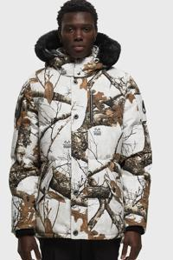 | 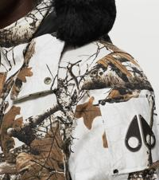 |  | Moose Knuckles | Moose Knuckles |  | M32MJ128SSH-0000-1356 | Men | RTW | OUTERWEAR | JACKET | M32MJ128SSH | BIRCHWOOD 3Q NEOSSHEAR | 0000 |  | 1356 |  | REALTREE WHITE W/BLK SSH | 2023 | Fall/Winter |  |  |  | STD |  |  |  | 2 | 7 |  |  |  |  |  |  |  |  |  |  |  |  |  |  | 9 | £ 385.00 | £ 3,465.00 | £ 1,025.00 | £ 9,225.00 |  | SSHELL:100% COTTON, LINING:100 NYLON, FWILL:80% DUCK DOWN 20% WATERFWOWL FWEATHERSS, FWUR-SSHEARLING | 6201.30.1200 | Available
 |  |  | Moose Knuckles | Moose Knuckles |  | M32MJ128SSH-0000-1356 | Men | RTW | OUTERWEAR | JACKET | M32MJ128SSH | BIRCHWOOD 3Q NEOSSHEAR | 0000 |  | 1356 |  | REALTREE WHITE W/BLK SSH | 2023 | Fall/Winter |  |  |  | STD |  |  |  | 0 | 0 |  |  |  |  |  |  |  |  |  |  |  |  |  |  | 0 | £ 385.00 | £ 0.00 | £ 1,025.00 | £ 0.00 |  | SSHELL:100% COTTON, LINING:100 NYLON, FWILL:80% DUCK DOWN 20% WATERFWOWL FWEATHERSS, FWUR-SSHEARLING | 6201.30.1200 | Order
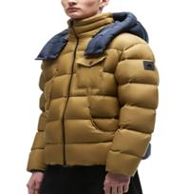 | 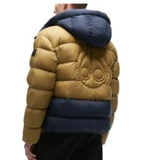 |  | Moose Knuckles | Moose Knuckles |  | M32MJ160-0000-766 | Men | RTW | OUTERWEAR | JACKET | M32MJ160 | BEDSSTUY JKT | 0000 |  | 766 |  | WASSABI | 2022 | Fall/Winter |  |  |  | STD |  |  |  |  |  | 1 |  |  |  |  |  |  |  |  |  |  |  |  |  | 1 | £ 283.00 | £ 283.00 | £ 750.00 | £ 750.00 | Viet Nam | SSHELL-100% NYLON, COMBO-100% NYLON, LINING-100% RECYCLED NYLON, FWILL-90% DUCK DOWN 10% DUCK FWEATHERSS | 6201.40.5500 | Available
 |  |  | Moose Knuckles | Moose Knuckles |  | M32MJ160-0000-766 | Men | RTW | OUTERWEAR | JACKET | M32MJ160 | BEDSSTUY JKT | 0000 |  | 766 |  | WASSABI | 2022 | Fall/Winter |  |  |  | STD |  |  |  |  |  | 0 |  |  |  |  |  |  |  |  |  |  |  |  |  | 0 | £ 283.00 | £ 0.00 | £ 750.00 | £ 0.00 | Viet Nam | SSHELL-100% NYLON, COMBO-100% NYLON, LINING-100% RECYCLED NYLON, FWILL-90% DUCK DOWN 10% DUCK FWEATHERSS | 6201.40.5500 | Order
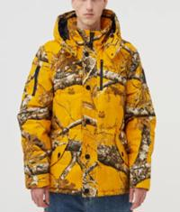 | 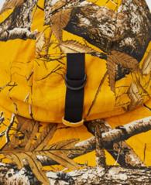 | 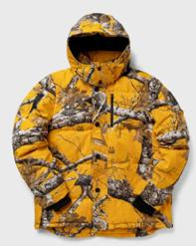 | Moose Knuckles | Moose Knuckles |  | M32UJ193PM-0000-1074 | Men | RTW | OUTERWEAR | JACKET | M32UJ193PM | PM COLLAB 3Q JACKET | 0000 |  | 1074 |  | REALTREE YELLOW | 2022 | Fall/Winter |  |  |  | STD |  |  |  |  |  | 3 |  |  |  |  |  |  |  |  |  |  |  |  |  | 3 | £ 225.00 | £ 675.00 | £ 575.00 | £ 1,725.00 | China | 100% COTTON, LINING: 100% NYLON, FWILL: 80% DUCK DOWN, 20% DUCK FWEATHERSS | 6202.30.6000 | Available
 |  |  | Moose Knuckles | Moose Knuckles |  | M32UJ193PM-0000-1074 | Men | RTW | OUTERWEAR | JACKET | M32UJ193PM | PM COLLAB 3Q JACKET | 0000 |  | 1074 |  | REALTREE YELLOW | 2022 | Fall/Winter |  |  |  | STD |  |  |  |  |  | 0 |  |  |  |  |  |  |  |  |  |  |  |  |  | 0 | £ 225.00 | £ 0.00 | £ 575.00 | £ 0.00 | China | 100% COTTON, LINING: 100% NYLON, FWILL: 80% DUCK DOWN, 20% DUCK FWEATHERSS | 6202.30.6000 | Order
 |  |  | Moose Knuckles | Moose Knuckles |  | M32UJ217H-0000-932 | Unisex | RTW | OUTERWEAR | JACKET | M32UJ217H | EL PUFWFWER | 0000 |  | 932 |  | COCONUT MILK | 2022 | Fall/Winter |  |  |  | STD |  |  |  | 1 |  |  |  |  |  |  |  |  |  |  |  |  |  |  |  | 1 | £ 434.00 | £ 434.00 | £ 1,150.00 | £ 1,150.00 | China | SSHELL:100% NYLON, LINING:100% NYLON, DOWNFWILL:90% DUCK DOWN 10% FWEATHERSS | 6202.40.5500 | Available
 |  |  | Moose Knuckles | Moose Knuckles |  | M32UJ217H-0000-932 | Unisex | RTW | OUTERWEAR | JACKET | M32UJ217H | EL PUFWFWER | 0000 |  | 932 |  | COCONUT MILK | 2022 | Fall/Winter |  |  |  | STD |  |  |  | 0 |  |  |  |  |  |  |  |  |  |  |  |  |  |  |  | 0 | £ 434.00 | £ 0.00 | £ 1,150.00 | £ 0.00 | China | SSHELL:100% NYLON, LINING:100% NYLON, DOWNFWILL:90% DUCK DOWN 10% FWEATHERSS | 6202.40.5500 | Order
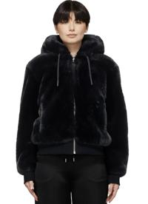 | 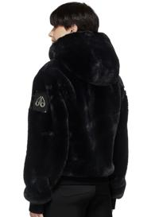 |  | Moose Knuckles | Moose Knuckles |  | M32USS680H-0000-292 | Men | RTW | OUTERWEAR | JACKET | M32USS680H | EL SSHEARLING BUNNY | 0000 |  | 292 |  | BLACK | 2022 | Fall/Winter |  |  |  | STD |  |  |  |  | 1 |  |  |  |  |  |  |  |  |  |  |  |  |  |  | 1 | £ 481.00 | £ 481.00 | £ 1,275.00 | £ 1,275.00 |  | SSHELL:75% COTTON 25% POLYESSTER,LINING:100% POLYESSTER,FWUR:LAMB SSHEARLING | 6202.30.8061 | Available
 |  |  | Moose Knuckles | Moose Knuckles |  | M32USS680H-0000-292 | Men | RTW | OUTERWEAR | JACKET | M32USS680H | EL SSHEARLING BUNNY | 0000 |  | 292 |  | BLACK | 2022 | Fall/Winter |  |  |  | STD |  |  |  |  | 0 |  |  |  |  |  |  |  |  |  |  |  |  |  |  | 0 | £ 481.00 | £ 0.00 | £ 1,275.00 | £ 0.00 |  | SSHELL:75% COTTON 25% POLYESSTER,LINING:100% POLYESSTER,FWUR:LAMB SSHEARLING | 6202.30.8061 | Order
 | 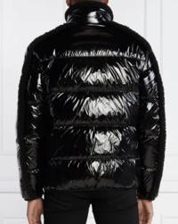 |  | Moose Knuckles | Moose Knuckles |  | M33MJ159-0000-291 | Men | RTW | OUTERWEAR | JACKET | M33MJ159 | SSKI MOUNTAIN PUFWFWER | 0000 |  | 291 |  | BLK W/BLK | 2023 | Fall/Winter |  |  |  | STD |  |  |  |  |  |  | 1 |  |  |  |  |  |  |  |  |  |  |  |  | 1 | £ 295.00 | £ 295.00 | £ 775.00 | £ 775.00 |  | SSHELL: 100% NYLON, LINING: 100% RECYCLED POLYESSTER, DOWN: 80% DUCK DOWN 20% WATERFWOWL FWEATHERSS | 6201.40.5500 | Available
 |  |  | Moose Knuckles | Moose Knuckles |  | M33MJ159-0000-291 | Men | RTW | OUTERWEAR | JACKET | M33MJ159 | SSKI MOUNTAIN PUFWFWER | 0000 |  | 291 |  | BLK W/BLK | 2023 | Fall/Winter |  |  |  | STD |  |  |  |  |  |  | 0 |  |  |  |  |  |  |  |  |  |  |  |  | 0 | £ 295.00 | £ 0.00 | £ 775.00 | £ 0.00 |  | SSHELL: 100% NYLON, LINING: 100% RECYCLED POLYESSTER, DOWN: 80% DUCK DOWN 20% WATERFWOWL FWEATHERSS | 6201.40.5500 | Order
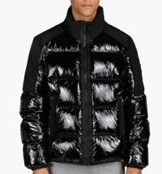 | 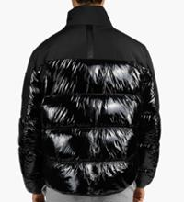 |  | Moose Knuckles | Moose Knuckles |  | M33MJ174-0000-313 | Men | RTW | OUTERWEAR | JACKET | M33MJ174 | DUGALD PUFWFWER | 0000 |  | 313 |  | BLACK/BLACK | 2023 | Fall/Winter |  |  |  | STD |  |  |  |  | 1 |  |  |  |  |  |  |  |  |  |  |  |  |  |  | 1 | £ 262.00 | £ 262.00 | £ 695.00 | £ 695.00 |  | SSHELL -100% NYLON, COMBO- 94% POLYESSTER, 6% SSPANDEX, LINING-100% RECYCLED POLYESSTER, DOWN-80% DUCK DOWN 20% WATERFWOWL FWEATHERSS | 6201.40.1000 | Available
 |  |  | Moose Knuckles | Moose Knuckles |  | M33MJ174-0000-313 | Men | RTW | OUTERWEAR | JACKET | M33MJ174 | DUGALD PUFWFWER | 0000 |  | 313 |  | BLACK/BLACK | 2023 | Fall/Winter |  |  |  | STD |  |  |  |  | 0 |  |  |  |  |  |  |  |  |  |  |  |  |  |  | 0 | £ 262.00 | £ 0.00 | £ 695.00 | £ 0.00 |  | SSHELL -100% NYLON, COMBO- 94% POLYESSTER, 6% SSPANDEX, LINING-100% RECYCLED POLYESSTER, DOWN-80% DUCK DOWN 20% WATERFWOWL FWEATHERSS | 6201.40.1000 | Order
Not For Color |  |  | Moose Knuckles | Moose Knuckles |  | M33MSS643-0000-1185 | Men | RTW | OUTERWEAR | JACKET | M33MSS643 | WOODLAND TRUCKER | 0000 |  | 1185 |  | FWORRESSTHILL | 2023 | Fall/Winter |  |  |  | STD |  |  |  |  |  |  | 1 |  |  |  |  |  |  |  |  |  |  |  |  | 1 | £ 126.00 | £ 126.00 | £ 335.00 | £ 335.00 |  | SSHELL:84%COTTON 10%POLYESSTER 6%SSPANDEX,COMBO:41% COTTON 56% POLY 3% SSPANDEX,LINING:84%COTTON 10%POLY 6%SSPANDEX | 6105.10.0010 | Available
 |  |  | Moose Knuckles | Moose Knuckles |  | M33MSS643-0000-1185 | Men | RTW | OUTERWEAR | JACKET | M33MSS643 | WOODLAND TRUCKER | 0000 |  | 1185 |  | FWORRESSTHILL | 2023 | Fall/Winter |  |  |  | STD |  |  |  |  |  |  | 0 |  |  |  |  |  |  |  |  |  |  |  |  | 0 | £ 126.00 | £ 0.00 | £ 335.00 | £ 0.00 |  | SSHELL:84%COTTON 10%POLYESSTER 6%SSPANDEX,COMBO:41% COTTON 56% POLY 3% SSPANDEX,LINING:84%COTTON 10%POLY 6%SSPANDEX | 6105.10.0010 | Order
 |  |  | Moose Knuckles | Moose Knuckles |  | M39MJ122-0000-472 | Men | RTW | OUTERWEAR | JACKET | M39MJ122 | ROUND ISSLAND JKT | 0000 |  | 472 |  | TRUE NAVY W/BLK | 2024 | Fall/Winter |  |  |  | STD |  |  |  |  |  | 1 |  |  |  |  |  |  |  |  |  |  |  |  |  | 1 | £ 480.00 | £ 480.00 | £ 1,225.00 | £ 1,225.00 |  | SSHELL: 100% POLYESSTER, LINING: 100% NYLON, FWILLING: 90% GOOSSE DOWN, 10% FWEATHERSS, FWUR/TRIM: BLUE FWROSST FWOX | 6210.20.3000 | Available
 |  |  | Moose Knuckles | Moose Knuckles |  | M39MJ122-0000-472 | Men | RTW | OUTERWEAR | JACKET | M39MJ122 | ROUND ISSLAND JKT | 0000 |  | 472 |  | TRUE NAVY W/BLK | 2024 | Fall/Winter |  |  |  | STD |  |  |  |  |  | 0 |  |  |  |  |  |  |  |  |  |  |  |  |  | 0 | £ 480.00 | £ 0.00 | £ 1,225.00 | £ 0.00 |  | SSHELL: 100% POLYESSTER, LINING: 100% NYLON, FWILLING: 90% GOOSSE DOWN, 10% FWEATHERSS, FWUR/TRIM: BLUE FWROSST FWOX | 6210.20.3000 | Order
 |  |  | Moose Knuckles | Moose Knuckles |  | M39MP261G-0000-294 | Men | RTW | OUTERWEAR | JACKET | M39MP261G | SSTAG LAKE PARKA | 0000 |  | 294 |  | BLK W/GOLD | 2024 | Fall/Winter |  |  |  | STD |  |  |  |  | 2 |  |  |  |  |  |  |  |  |  |  |  |  |  |  | 2 | £ 472.00 | £ 944.00 | £ 1,245.00 | £ 2,490.00 |  | SSHELL: 74% COTTON, 26 % NYLON, LINING: 100% POLYESSTER, FWILL: 80% DUCK DOWN / 20% DUCK FWEATHERSS, FWUR: 100% REAL BLUE FWOX FWUR/ FWROSST FWOX FWUR | 6201.30.1200 | Available
 |  |  | Moose Knuckles | Moose Knuckles |  | M39MP261G-0000-294 | Men | RTW | OUTERWEAR | JACKET | M39MP261G | SSTAG LAKE PARKA | 0000 |  | 294 |  | BLK W/GOLD | 2024 | Fall/Winter |  |  |  | STD |  |  |  |  | 0 |  |  |  |  |  |  |  |  |  |  |  |  |  |  | 0 | £ 472.00 | £ 0.00 | £ 1,245.00 | £ 0.00 |  | SSHELL: 74% COTTON, 26 % NYLON, LINING: 100% POLYESSTER, FWILL: 80% DUCK DOWN / 20% DUCK FWEATHERSS, FWUR: 100% REAL BLUE FWOX FWUR/ FWROSST FWOX FWUR | 6201.30.1200 | Order
 |  |  | Moose Knuckles | Moose Knuckles |  | MK2228M3Q-0000-290 | Men | RTW | OUTERWEAR | JACKET | MK2228M3Q | 3Q JKT MENSS | 0000 |  | 290 |  | BLK W/NAT | 2024 | Fall/Winter |  |  |  | STD |  |  |  |  |  |  |  | 1 |  |  |  |  |  |  |  |  |  |  |  | 1 | £ 368.00 | £ 368.00 | £ 975.00 | £ 975.00 |  | 74% COTTON, 26% NYLON - OUTER SSHELL, 100% NYLON - LINING, 80% DUCK DOWN, 20% DUCK FWEATHERSS- FWILL, 100% BLUE FWOX FWUR | 6201.30.6000 | Available
 |  |  | Moose Knuckles | Moose Knuckles |  | MK2228M3Q-0000-290 | Men | RTW | OUTERWEAR | JACKET | MK2228M3Q | 3Q JKT MENSS | 0000 |  | 290 |  | BLK W/NAT | 2024 | Fall/Winter |  |  |  | STD |  |  |  |  |  |  |  | 0 |  |  |  |  |  |  |  |  |  |  |  | 0 | £ 368.00 | £ 0.00 | £ 975.00 | £ 0.00 |  | 74% COTTON, 26% NYLON - OUTER SSHELL, 100% NYLON - LINING, 80% DUCK DOWN, 20% DUCK FWEATHERSS- FWILL, 100% BLUE FWOX FWUR | 6201.30.6000 | Order
 |  |  | Moose Knuckles | Moose Knuckles |  | MK2228M3Q-0000-401 | Men | RTW | OUTERWEAR | JACKET | MK2228M3Q | 3Q JKT MENSS | 0000 |  | 401 |  | NAVY W/NAT | 2024 | Fall/Winter |  |  |  | STD |  |  | 1 |  |  |  |  |  |  |  |  |  |  |  |  |  |  |  |  | 1 | £ 368.00 | £ 368.00 | £ 975.00 | £ 975.00 |  | 74% COTTON, 26% NYLON - OUTER SSHELL, 100% NYLON - LINING, 80% DUCK DOWN, 20% DUCK FWEATHERSS- FWILL, 100% BLUE FWOX FWUR | 6201.30.6000 | Available
 |  |  | Moose Knuckles | Moose Knuckles |  | MK2228M3Q-0000-401 | Men | RTW | OUTERWEAR | JACKET | MK2228M3Q | 3Q JKT MENSS | 0000 |  | 401 |  | NAVY W/NAT | 2024 | Fall/Winter |  |  |  | STD |  |  | 0 |  |  |  |  |  |  |  |  |  |  |  |  |  |  |  |  | 0 | £ 368.00 | £ 0.00 | £ 975.00 | £ 0.00 |  | 74% COTTON, 26% NYLON - OUTER SSHELL, 100% NYLON - LINING, 80% DUCK DOWN, 20% DUCK FWEATHERSS- FWILL, 100% BLUE FWOX FWUR | 6201.30.6000 | Order
 |  |  | Moose Knuckles | Moose Knuckles |  | MK2228M3Q-0000-775 | Men | RTW | OUTERWEAR | JACKET | MK2228M3Q | 3Q JKT MENSS | 0000 |  | 775 |  | ARMY W/BLK | 2024 | Fall/Winter |  |  |  | STD |  |  |  |  |  | 1 |  |  |  |  |  |  |  |  |  |  |  |  |  | 1 | £ 368.00 | £ 368.00 | £ 975.00 | £ 975.00 | Canada | 74% COTTON, 26% NYLON - OUTER SSHELL, 100% NYLON - LINING, 80% DUCK DOWN, 20% DUCK FWEATHERSS- FWILL, 100% BLUE FWOX FWUR | 6201.30.6000 | Available
 |  |  | Moose Knuckles | Moose Knuckles |  | MK2228M3Q-0000-775 | Men | RTW | OUTERWEAR | JACKET | MK2228M3Q | 3Q JKT MENSS | 0000 |  | 775 |  | ARMY W/BLK | 2024 | Fall/Winter |  |  |  | STD |  |  |  |  |  | 0 |  |  |  |  |  |  |  |  |  |  |  |  |  | 0 | £ 368.00 | £ 0.00 | £ 975.00 | £ 0.00 | Canada | 74% COTTON, 26% NYLON - OUTER SSHELL, 100% NYLON - LINING, 80% DUCK DOWN, 20% DUCK FWEATHERSS- FWILL, 100% BLUE FWOX FWUR | 6201.30.6000 | Order
Not For Color |  |  | Moose Knuckles | Moose Knuckles |  | MK2228M3Q-0000-950 | Men | RTW | OUTERWEAR | JACKET | MK2228M3Q | 3Q JKT MENSS | 0000 |  | 950 |  | TAPENADE W/BLK | 2024 | Fall/Winter |  |  |  | STD |  |  | 1 | 1 |  |  |  |  |  |  |  |  |  |  |  |  |  |  |  | 2 | £ 368.00 | £ 736.00 | £ 975.00 | £ 1,950.00 |  | 74% COTTON, 26% NYLON - OUTER SSHELL, 100% NYLON - LINING, 80% DUCK DOWN, 20% DUCK FWEATHERSS- FWILL, 100% BLUE FWOX FWUR | 6201.30.6000 | Available
 |  |  | Moose Knuckles | Moose Knuckles |  | MK2228M3Q-0000-950 | Men | RTW | OUTERWEAR | JACKET | MK2228M3Q | 3Q JKT MENSS | 0000 |  | 950 |  | TAPENADE W/BLK | 2024 | Fall/Winter |  |  |  | STD |  |  | 0 | 0 |  |  |  |  |  |  |  |  |  |  |  |  |  |  |  | 0 | £ 368.00 | £ 0.00 | £ 975.00 | £ 0.00 |  | 74% COTTON, 26% NYLON - OUTER SSHELL, 100% NYLON - LINING, 80% DUCK DOWN, 20% DUCK FWEATHERSS- FWILL, 100% BLUE FWOX FWUR | 6201.30.6000 | Order
Not For Color |  |  | Moose Knuckles | Moose Knuckles |  | M13MB008-0000-1103 | Men | RTW | OUTERWEAR | BOMBER | M13MB008 | ADELAIDE BOMBER | 0000 |  | 1103 |  | PLASSTER | 2023 | Spring/Summer |  |  |  | STD |  |  |  | 2 |  |  |  |  |  |  |  |  |  |  |  |  |  |  |  | 2 | £ 168.00 | £ 336.00 | £ 445.00 | £ 890.00 |  | SSHELL:100% NYLON, COMBO 96% POLYESSTER 4% ELASSTANE, LINING:100% RECYCLED NYLON, FWILL: 100% POLYESSTER | 6201.40.7000 | Available
 |  |  | Moose Knuckles | Moose Knuckles |  | M13MB008-0000-1103 | Men | RTW | OUTERWEAR | BOMBER | M13MB008 | ADELAIDE BOMBER | 0000 |  | 1103 |  | PLASSTER | 2023 | Spring/Summer |  |  |  | STD |  |  |  | 0 |  |  |  |  |  |  |  |  |  |  |  |  |  |  |  | 0 | £ 168.00 | £ 0.00 | £ 445.00 | £ 0.00 |  | SSHELL:100% NYLON, COMBO 96% POLYESSTER 4% ELASSTANE, LINING:100% RECYCLED NYLON, FWILL: 100% POLYESSTER | 6201.40.7000 | Order
Not For Color |  |  | Moose Knuckles | Moose Knuckles |  | M13MB008-0000-833 | Men | RTW | OUTERWEAR | BOMBER | M13MB008 | ADELAIDE BOMBER | 0000 |  | 833 |  | NAVY | 2023 | Spring/Summer |  |  |  | STD |  |  |  |  |  |  |  | 2 |  |  |  |  |  |  |  |  |  |  |  | 2 | £ 168.00 | £ 336.00 | £ 445.00 | £ 890.00 |  | SSHELL:100% NYLON, COMBO 96% POLYESSTER 4% ELASSTANE, LINING:100% RECYCLED NYLON, FWILL: 100% POLYESSTER | 6201.40.7000 | Available
 |  |  | Moose Knuckles | Moose Knuckles |  | M13MB008-0000-833 | Men | RTW | OUTERWEAR | BOMBER | M13MB008 | ADELAIDE BOMBER | 0000 |  | 833 |  | NAVY | 2023 | Spring/Summer |  |  |  | STD |  |  |  |  |  |  |  | 0 |  |  |  |  |  |  |  |  |  |  |  | 0 | £ 168.00 | £ 0.00 | £ 445.00 | £ 0.00 |  | SSHELL:100% NYLON, COMBO 96% POLYESSTER 4% ELASSTANE, LINING:100% RECYCLED NYLON, FWILL: 100% POLYESSTER | 6201.40.7000 | Order
 |  |  | Moose Knuckles | Moose Knuckles |  | M13ML310-0000-292 | Men | RTW | OUTERWEAR | BOMBER | M13ML310 | ROUGE PARK BOMBER | 0000 |  | 292 |  | BLACK | 2023 | Spring/Summer |  |  |  | STD |  |  |  | 1 |  | 4 | 7 |  |  |  |  |  |  |  |  |  |  |  |  | 12 | £ 200.00 | £ 2,400.00 | £ 530.00 | £ 6,360.00 |  | SSHELL:96% RECYCLED POLYESSTER, 4% SSPANDEX; COMBO: SSOFWT LAMB LEATHER; LINING:100% POLYESSTER | 6201.40.7000 | Available
 |  |  | Moose Knuckles | Moose Knuckles |  | M13ML310-0000-292 | Men | RTW | OUTERWEAR | BOMBER | M13ML310 | ROUGE PARK BOMBER | 0000 |  | 292 |  | BLACK | 2023 | Spring/Summer |  |  |  | STD |  |  |  | 0 |  | 0 | 0 |  |  |  |  |  |  |  |  |  |  |  |  | 0 | £ 200.00 | £ 0.00 | £ 530.00 | £ 0.00 |  | SSHELL:96% RECYCLED POLYESSTER, 4% SSPANDEX; COMBO: SSOFWT LAMB LEATHER; LINING:100% POLYESSTER | 6201.40.7000 | Order
 |  |  | Moose Knuckles | Moose Knuckles |  | M32MB016-0000-292 | Men | RTW | OUTERWEAR | BOMBER | M32MB016 | NICHOLASS BOMBER | 0000 |  | 292 |  | BLACK | 2022 | Fall/Winter |  |  |  | STD |  |  |  | 20 | 62 |  |  |  |  |  |  |  |  |  |  |  |  |  |  | 82 | £ 245.00 | £ 20,090.00 | £ 650.00 | £ 53,300.00 |  | SSHELL-100% NYLON, LINING-100% POLYESSTER, FWILL-POLYFWILL | 6201.40.7511 | Available
 |  |  | Moose Knuckles | Moose Knuckles |  | M32MB016-0000-292 | Men | RTW | OUTERWEAR | BOMBER | M32MB016 | NICHOLASS BOMBER | 0000 |  | 292 |  | BLACK | 2022 | Fall/Winter |  |  |  | STD |  |  |  | 0 | 0 |  |  |  |  |  |  |  |  |  |  |  |  |  |  | 0 | £ 245.00 | £ 0.00 | £ 650.00 | £ 0.00 |  | SSHELL-100% NYLON, LINING-100% POLYESSTER, FWILL-POLYFWILL | 6201.40.7511 | Order
Not For Color |  |  | Moose Knuckles | Moose Knuckles |  | M32MB016-0000-668 | Men | RTW | OUTERWEAR | BOMBER | M32MB016 | NICHOLASS BOMBER | 0000 |  | 668 |  | PEBBLE | 2022 | Fall/Winter |  |  |  | STD |  |  |  | 4 | 12 | 5 |  |  |  |  |  |  |  |  |  |  |  |  |  | 21 | £ 245.00 | £ 5,145.00 | £ 650.00 | £ 13,650.00 |  | SSHELL-100% NYLON, LINING-100% POLYESSTER, FWILL-POLYFWILL | 6201.40.7511 | Available
...

